Sheet1
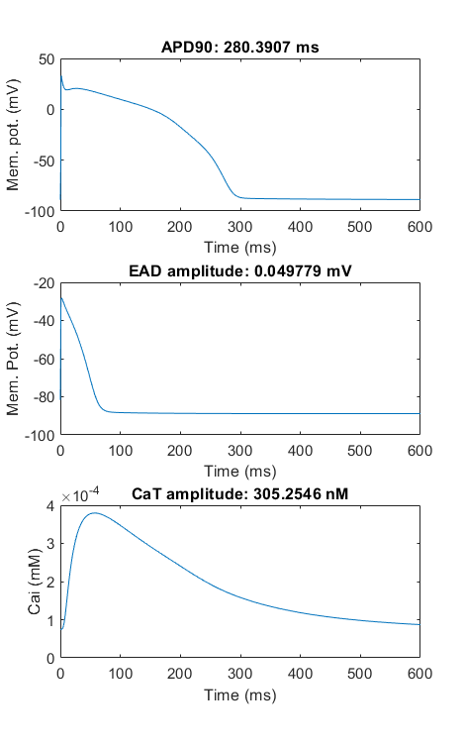
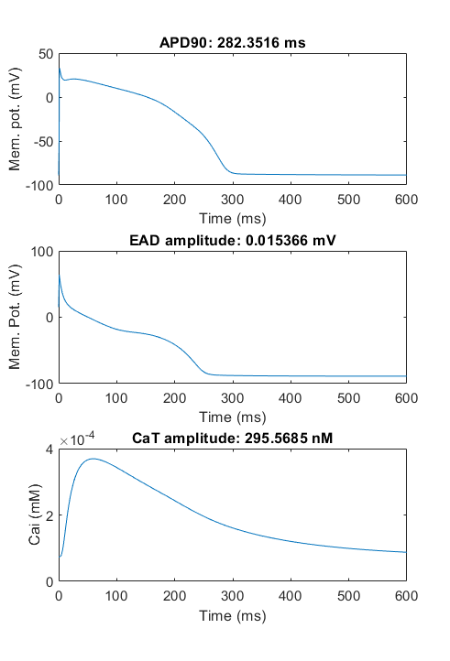
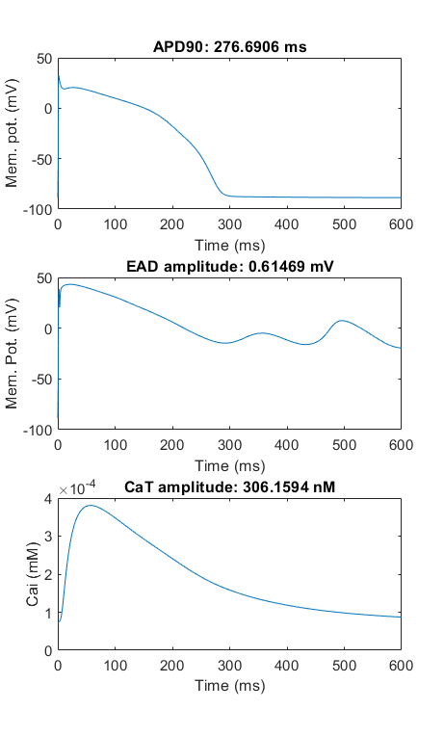
Trial 1 |  |  |  |  | Trial 2 |  |  |  |  | Trial 3
CaL | Kr | Ks | NaL | Jup | CaL | Kr | Ks | NaL | Jup | CaL | Kr | Ks | NaL | Jup
-0.52590433853 | -0.36712234386 | -0.25978571352 | -0.65708215406 | -0.0081070347158 | 0.60423054493 | -0.36336328383 | 0.19120685662 | -0.66125790261 | 0.038055441331 | -0.085913323688 | -0.27855900393 | -0.56618390696 | -0.56315549635 | 0.037614971869
0.59102063988 | 0.69272488922 | 0.77121682944 | 0.51836162939 | 0.99192573867 | 1.8298436846 | 0.69533378409 | 1.2107098695 | 0.51620159459 | 1.0387888231 | 0.91767376835 | 0.75687360792 | 0.56768765939 | 0.56940945655 | 1.0383313691
 |  |  |  |  |  |  |  |  |  |  |  |  |  |  | Question: | How low of an error is low enough? A value of 150 still seems pretty high to me.
Population |  |  |  |  | Population |  |  |  |  | Population |  |  |  |  |  | What would a bigger gap between the best fit and the mean fit mean? Maybe we would need to run for more generations?
-0.52590433853 | -0.36712234386 | -0.25978571352 | -0.65708215406 | -0.0081070347158 | 0.60423054493 | -0.36336328383 | -0.058793143377 | -0.66125790261 | 0.038055441331 | -0.085913323688 | -0.27855900393 | -0.56618390696 | -0.56315549635 | 0.037614971869
-0.52590433853 | -0.36712234386 | -0.25978571352 | -0.65708215406 | -0.019879370942 | 0.60423054493 | -0.36336328383 | -0.058793143377 | -0.66125790261 | 0.038055441331 | -0.13278832369 | -0.30590275393 | -0.18922659607 | -0.50065549635 | -0.017072528131
-0.52590433853 | -0.36712234386 | -0.25978571352 | -0.65708215406 | -0.019879370942 | 0.60453146287 | -0.36336328383 | -0.058793143377 | -0.66125790261 | 0.038055441331 | -0.13278832369 | -0.30590275393 | -0.18922659607 | -0.50065549635 | -0.017072528131
-0.52590433853 | -0.36712234386 | -0.25978571352 | -0.65708215406 | -0.019879370942 | 0.60423054493 | -0.36336328383 | -0.17238329638 | -0.66125790261 | 0.038055441331 | -0.13278832369 | -0.30590275393 | -0.18922659607 | -0.50065549635 | -0.017072528131
0.42227122884 | -0.36712234386 | -0.25978571352 | -0.65708215406 | -0.019879370942 | 0.60423054493 | -0.36336328383 | -0.69791186744 | -0.66125790261 | 0.038055441331 | -0.13278832369 | -0.30590275393 | -0.18922659607 | -0.50065549635 | -0.017072528131
-0.52590433853 | -0.43952354582 | 0.35216820169 | -0.65708215406 | -0.019879370942 | 0.60423054493 | -0.36336328383 | -0.69791186744 | -0.66125790261 | 0.038055441331 | -0.5644858687 | 0.55217282214 | -0.064226596073 | 0.56712227447 | 0.15256717752
0.42227122884 | -0.36712234386 | -0.25978571352 | -0.65708215406 | -0.019879370942 | 0.60423054493 | -0.36336328383 | -0.69791186744 | -0.52257300472 | 0.038055441331 | 0.36721167631 | 0.55217282214 | -0.12185034112 | -0.22994182972 | 0.16819217752
-0.52590433853 | -0.43952354582 | -0.25978571352 | -0.65708215406 | -0.0081070347158 | 0.60423054493 | -0.36336328383 | -0.060404298964 | -0.52257300472 | 0.038055441331 | -0.13278832369 | -0.30590275393 | -0.40048928776 | -0.50065549635 | -0.017072528131
-0.52590433853 | -0.43952354582 | -0.25978571352 | -0.65708215406 | -0.02174569832 | 0.60423054493 | -0.36336328383 | -0.69791186744 | -0.48413916833 | 0.23879991252 | -0.13278832369 | 0.55217282214 | -0.67038001659 | -0.50065549635 | -0.02123687838
0.42227122884 | -0.43952354582 | -0.25978571352 | -0.65708215406 | -0.019879370942 | -0.44990060953 | -0.36336328383 | -0.058793143377 | -0.66125790261 | 0.038055441331 | -0.13278832369 | -0.27855900393 | -0.56618390696 | -0.50065549635 | -0.017072528131
-0.52590433853 | -0.36712234386 | -0.25978571352 | -0.65708215406 | -0.02174569832 | 0.60453146287 | -0.36336328383 | -0.69791186744 | -0.66125790261 | 0.054103583288 | -0.13278832369 | 0.55217282214 | -0.064226596073 | -0.22994182972 | 0.15256717752
0.42669736029 | -0.36712234386 | -0.25978571352 | -0.65708215406 | -0.02174569832 | -0.44990060953 | -0.36336328383 | -0.69791186744 | -0.66125790261 | 0.04354236977 | -0.13278832369 | -0.30590275393 | -0.59743390696 | -0.46561996103 | -0.017072528131
0.42227122884 | -0.43952354582 | 0.60216820169 | -0.65708215406 | 0.24189296528 | 0.10423054493 | -0.36336328383 | -0.69791186744 | -0.66125790261 | 0.038055441331 | -0.13278832369 | -0.30590275393 | -0.18922659607 | -0.50065549635 | -0.017072528131
-0.57772877116 | -0.36712234386 | 0.60216820169 | -0.65708215406 | -0.019879370942 | 0.60453146287 | -0.23110260328 | -0.19791186744 | -0.66125790261 | 0.038055441331 | -0.6894858687 | 0.08293024082 | -0.18922659607 | -0.50065549635 | -0.065498467924
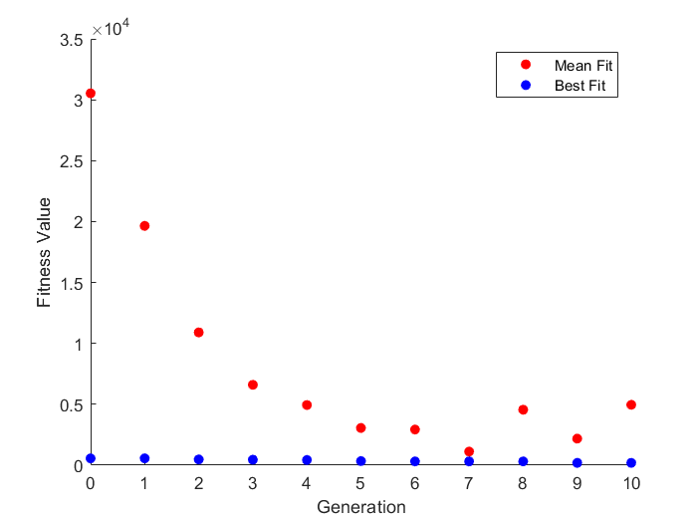
0.42227122884 | -0.43952354582 | -0.25978571352 | -0.65708215406 | -0.0081070347158 | 0.10453146287 | -0.23110260328 | -0.69791186744 | -0.66125790261 | 0.04354236977 | -0.13278832369 | 0.36369741287 | -0.18922659607 | -0.50065549635 | -0.079572528131
-0.52590433853 | -0.43952354582 | -0.25978571352 | -0.65708215406 | -0.02174569832 | -0.44990060953 | -0.36336328383 | -0.69791186744 | -0.66125790261 | 0.054103583288 | 0.61721167631 | 0.42717282214 | -0.67038001659 | -0.50065549635 | -0.02123687838
0.42227122884 | -0.36712234386 | -0.25978571352 | -0.65708215406 | -0.0081070347158 | 0.60423054493 | -0.36336328383 | -0.19791186744 | -0.66125790261 | 0.038055441331 | -0.13278832369 | 0.68383002645 | -0.59743390696 | -0.50065549635 | -0.017072528131
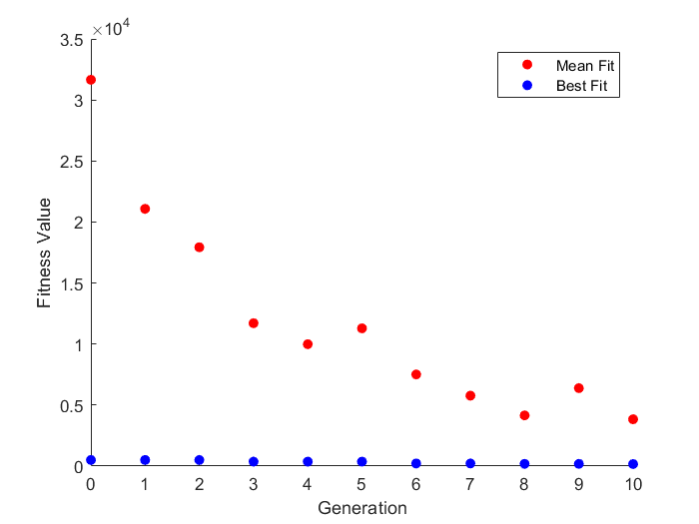
-0.52590433853 | -0.36712234386 | -0.25978571352 | -0.65708215406 | -0.019879370942 | 0.60423054493 | -0.36336328383 | -0.69791186744 | -0.66125790261 | 0.038055441331 | -0.13278832369 | -0.30590275393 | -0.59743390696 | -0.50065549635 | -0.017072528131
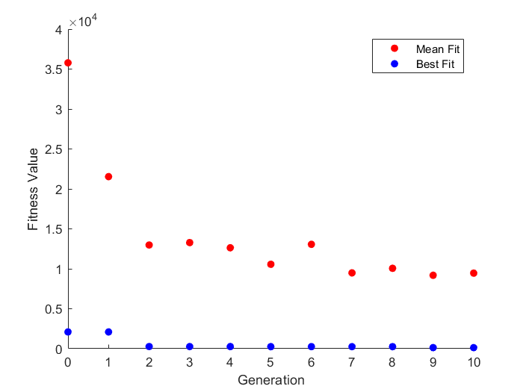
-0.52590433853 | -0.43952354582 | 0.60216820169 | -0.65708215406 | -0.0081070347158 | 0.10453146287 | -0.36336328383 | -0.18864259139 | -0.66125790261 | 0.038055441331 | -0.5644858687 | -0.30590275393 | -0.59743390696 | -0.50065549635 | -0.017072528131
0.42669736029 | -0.36712234386 | -0.25978571352 | -0.65708215406 | -0.019879370942 | -0.44990060953 | -0.36336328383 | -0.69791186744 | -0.66125790261 | -0.011200087485 | -0.13278832369 | -0.30590275393 | -0.18922659607 | -0.50065549635 | -0.017072528131
-0.52590433853 | -0.36712234386 | -0.25978571352 | -0.65708215406 | -0.019879370942 | 0.60423054493 | -0.36336328383 | -0.17238329638 | -0.66125790261 | 0.038055441331 | 0.20712489501 | -0.30590275393 | 0.58504236021 | -0.50065549635 | -0.017072528131
0.42227122884 | -0.36712234386 | 0.60216820169 | -0.65708215406 | -0.0081070347158 | 0.60423054493 | 0.018897396723 | -0.058793143377 | -0.48413916833 | 0.04354236977 | -0.13278832369 | -0.30590275393 | -0.59743390696 | -0.50065549635 | -0.017072528131
0.42227122884 | -0.36712234386 | -0.25978571352 | -0.65708215406 | -0.019879370942 | 0.10453146287 | -0.23110260328 | -0.19791186744 | -0.66125790261 | 0.038055441331 | 0.16187246186 | -0.30590275393 | -0.18922659607 | 0.46507900313 | -0.00951812838
-0.52590433853 | 0.13287765614 | 0.11533506405 | -0.65708215406 | -0.02174569832 | 0.60423054493 | -0.36336328383 | -0.69791186744 | -0.66125790261 | 0.038055441331 | -0.13278832369 | -0.30590275393 | -0.59743390696 | 0.67649727447 | -0.02123687838
-0.52590433853 | -0.36712234386 | -0.25978571352 | -0.65708215406 | -0.019879370942 | 0.10453146287 | -0.23110260328 | -0.69791186744 | -0.66125790261 | 0.038055441331 | -0.13278832369 | 0.55217282214 | -0.59743390696 | -0.50065549635 | -0.017072528131
0.42669736029 | -0.43952354582 | 0.60216820169 | -0.65708215406 | -0.019879370942 | -0.44990060953 | -0.48110260328 | -0.69791186744 | -0.66125790261 | -0.011200087485 | -0.5644858687 | -0.27855900393 | -0.56618390696 | -0.56315549635 | 0.037614971869
0.42227122884 | -0.43952354582 | 0.60216820169 | -0.65708215406 | -0.0081070347158 | 0.60423054493 | -0.23110260328 | -0.058793143377 | -0.66125790261 | 0.038055441331 | -0.5644858687 | -0.30590275393 | -0.18922659607 | -0.22994182972 | -0.017072528131
-0.52590433853 | -0.43952354582 | -0.25978571352 | -0.65708215406 | -0.0081070347158 | -0.44990060953 | -0.48110260328 | -0.69791186744 | -0.66125790261 | -0.011200087485 | -0.5644858687 | 0.68383002645 | 0.58504236021 | -0.22994182972 | -0.02123687838
0.42227122884 | -0.36712234386 | -0.25978571352 | -0.65708215406 | -0.0081070347158 | 0.60423054493 | -0.36336328383 | -0.69791186744 | -0.66125790261 | 0.038055441331 | 0.082124895012 | -0.30590275393 | -0.59743390696 | -0.28492099687 | -0.02123687838
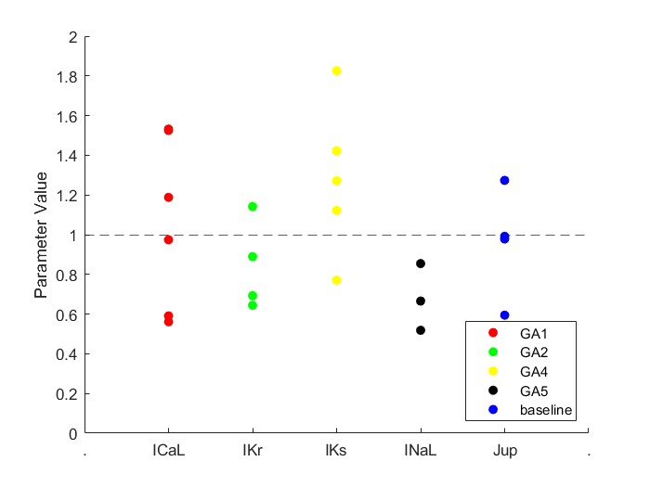
-0.52590433853 | -0.36712234386 | -0.25978571352 | -0.65708215406 | -0.019879370942 | 0.60423054493 | -0.36336328383 | -0.058793143377 | -0.66125790261 | 0.038055441331 | -0.13278832369 | 0.55217282214 | -0.67038001659 | 0.67649727447 | 0.0014921200166
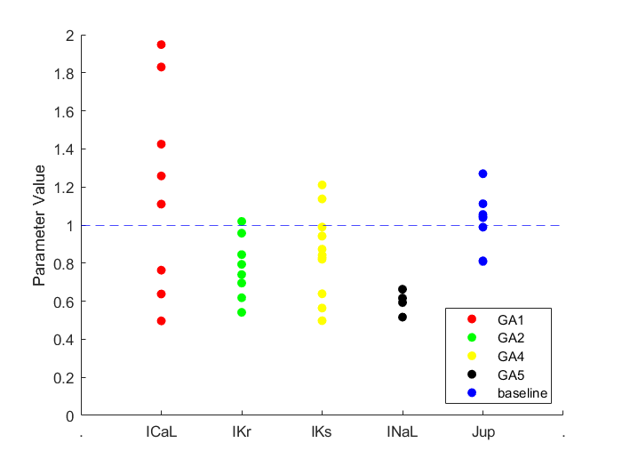
0.17227122884 | -0.43952354582 | -0.25978571352 | -0.65708215406 | 0.24189296528 | 0.10423054493 | -0.23110260328 | -0.19791186744 | -0.66125790261 | 0.038055441331 | -0.13278832369 | 0.55217282214 | -0.18922659607 | -0.50065549635 | -0.02123687838
0.42227122884 | -0.43952354582 | 0.60216820169 | -0.65708215406 | -0.0081070347158 | 0.60423054493 | -0.36336328383 | -0.060404298964 | -0.66125790261 | 0.038055441331 | -0.13278832369 | -0.30590275393 | -0.18922659607 | -0.50065549635 | -0.017072528131
-0.52590433853 | -0.43952354582 | -0.25978571352 | -0.65708215406 | -0.0081070347158 | -0.69990060953 | -0.36336328383 | -0.17238329638 | -0.66125790261 | 0.04354236977 | 0.16187246186 | -0.30590275393 | -0.18922659607 | -0.50065549635 | -0.00951812838
-0.52590433853 | -0.36712234386 | -0.25978571352 | -0.65708215406 | -0.019879370942 | 0.60423054493 | -0.36336328383 | -0.69791186744 | -0.66125790261 | 0.038055441331 | -0.13278832369 | 0.36369741287 | -0.064226596073 | -0.34742099687 | 0.044460870017
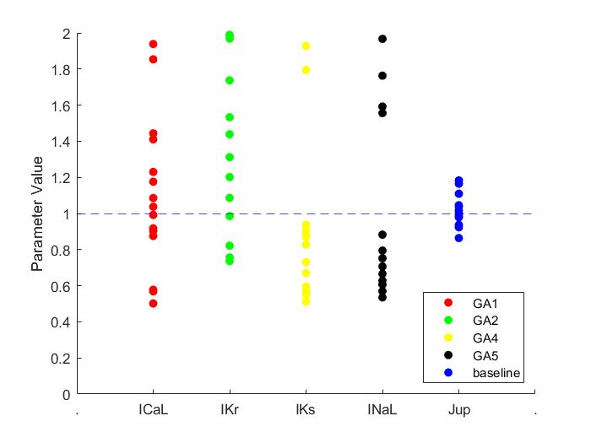
0.42227122884 | -0.43952354582 | 0.60216820169 | -0.65708215406 | -0.0081070347158 | 0.60423054493 | -0.36336328383 | -0.69791186744 | -0.66125790261 | 0.04354236977 | -0.5644858687 | 0.68383002645 | -0.67038001659 | 0.46507900313 | 0.0014921200166
0.42227122884 | -0.43952354582 | 0.60216820169 | -0.65708215406 | -0.0081070347158 | 0.60423054493 | -0.36336328383 | -0.17238329638 | -0.66125790261 | 0.23879991252 | -0.13278832369 | 0.68383002645 | -0.097433906956 | -0.50065549635 | -0.017072528131
-0.52590433853 | -0.43952354582 | 0.60216820169 | -0.65708215406 | -0.02174569832 | 0.35423054493 | -0.36336328383 | -0.058793143377 | -0.66125790261 | 0.038055441331 | -0.13278832369 | -0.30590275393 | -0.59743390696 | -0.50065549635 | -0.017072528131
-0.52590433853 | -0.36712234386 | -0.25978571352 | -0.65708215406 | -0.019879370942 | 0.10453146287 | -0.36336328383 | -0.19791186744 | -0.66125790261 | -0.011200087485 | -0.5644858687 | 0.27170522875 | -0.18922659607 | -0.50065549635 | -0.017072528131
-0.52590433853 | -0.36712234386 | -0.25978571352 | -0.65708215406 | -0.019879370942 | 0.60423054493 | -0.36336328383 | -0.058793143377 | -0.66125790261 | 0.038055441331 | -0.5644858687 | 0.68383002645 | -0.40048928776 | -0.50065549635 | 0.0014921200166
-0.52590433853 | -0.43952354582 | 0.60216820169 | -0.65708215406 | -0.0081070347158 | 0.60453146287 | -0.36336328383 | -0.69791186744 | -0.66125790261 | 0.038055441331 | 0.082124895012 | 0.68383002645 | -0.40048928776 | 0.67649727447 | -0.02123687838
0.42227122884 | -0.43952354582 | 0.60216820169 | -0.65708215406 | -0.0081070347158 | 0.60423054493 | -0.36336328383 | -0.19791186744 | -0.66125790261 | 0.038055441331 | -0.5644858687 | 0.08293024082 | -0.59743390696 | 0.67649727447 | 0.0014921200166
-0.52590433853 | -0.43952354582 | 0.60216820169 | -0.65708215406 | -0.51987937094 | 0.60423054493 | -0.36336328383 | 0.19120685662 | -0.66125790261 | 0.038055441331 | -0.13278832369 | 0.18383002645 | -0.52548928776 | -0.50065549635 | -0.065498467924
-0.52590433853 | 0.13287765614 | -0.25978571352 | -0.65708215406 | -0.0081070347158 | -0.27046853713 | -0.043602603277 | -0.010411867442 | -0.41125790261 | -0.20814533651 | -0.10153832369 | -0.30590275393 | -0.31422659607 | -0.40690549635 | -0.017072528131
0.42227122884 | -0.43952354582 | 0.60216820169 | -0.15708215406 | -0.0081070347158 | 0.35423054493 | -0.36336328383 | -0.69791186744 | -0.66125790261 | 0.038055441331 | 0.34384364501 | -0.014341505418 | -0.13747534112 | -0.12476474687 | 0.10376312162
0.42227122884 | -0.43952354582 | 0.60216820169 | -0.65708215406 | -0.0081070347158 | 0.60423054493 | -0.61336328383 | -0.57291186744 | -0.66125790261 | 0.038055441331 | 0.66187246186 | 0.55217282214 | -0.59743390696 | -0.50065549635 | -0.14623687838
-0.52590433853 | -0.11712234386 | -0.25978571352 | -0.15708215406 | -0.019879370942 | -0.44990060953 | -0.23110260328 | -0.69791186744 | -0.66125790261 | -0.011200087485 | -0.0077883236884 | 0.55217282214 | -0.064226596073 | 0.44212227447 | 0.15256717752
0.42227122884 | -0.43952354582 | 0.35216820169 | -0.40708215406 | -0.51987937094 | 0.35423054493 | -0.30086328383 | -0.44791186744 | -0.66125790261 | 0.10604236977 | -0.13278832369 | -0.19652775393 | -0.18922659607 | -0.62565549635 | 0.014177471869
-0.025904338526 | -0.36712234386 | -0.25978571352 | -0.15708215406 | -0.019879370942 | 0.66673054493 | -0.36336328383 | -0.69791186744 | -0.66125790261 | -0.21194455867 | -0.13278832369 | 0.36369741287 | 0.58504236021 | -0.50065549635 | 0.10376312162
0.42227122884 | -0.43952354582 | 0.11533506405 | -0.15708215406 | -0.0081070347158 | 0.60423054493 | -0.36336328383 | 0.12870685662 | -0.66125790261 | -0.21194455867 | 0.036872461865 | 0.68773627645 | 0.65671082089 | 0.46507900313 | -0.00951812838
-0.025904338526 | -0.36712234386 | 0.24021428648 | -0.15708215406 | -0.019879370942 | 0.22953146287 | -0.16860260328 | -0.13541186744 | -0.41125790261 | 0.041854663487 | -0.5488608687 | 0.67717282214 | -0.51930890696 | 0.67649727447 | 0.017117120017

Best Fit |  |  |  |  | Best Fit |  |  |  |  | error
563.14802956 | Gen 0 |  |  |  | 501.14816123 | Gen 0 |  |  |  | 2098.23306
563.14802956 | Gen 1 |  |  |  | 501.14816123 | Gen 1 |  |  |  | 2098.23306
474.90106294 | Gen 2 |  |  |  | 501.14816123 | Gen 2 |  |  |  | 267.49805453
452.98445477 | Gen 3 |  |  |  | 364.89126639 | Gen 3 |  |  |  | 267.49805453
428.72297481 | Gen 4 |  |  |  | 364.89126639 | Gen 4 |  |  |  | 267.49805453
338.31662933 | Gen 5 |  |  |  | 364.89126639 | Gen 5 |  |  |  | 253.96217081
313.25053581 | Gen 6 |  |  |  | 215.18623981 | Gen 6 |  |  |  | 253.96217081
313.25053581 | Gen 7 |  |  |  | 215.18623981 | Gen 7 |  |  |  | 253.96217081
313.25053581 | Gen 8 |  |  |  | 183.43949707 | Gen 8 |  |  |  | 253.96217081
192.85857766 | Gen 9 |  |  |  | 183.43949707 | Gen 9 |  |  |  | 132.73946733
192.85857766 | Gen 10 |  |  |  | 167.89904202 | Gen 10 |  |  |  | 132.73946733

